Cover
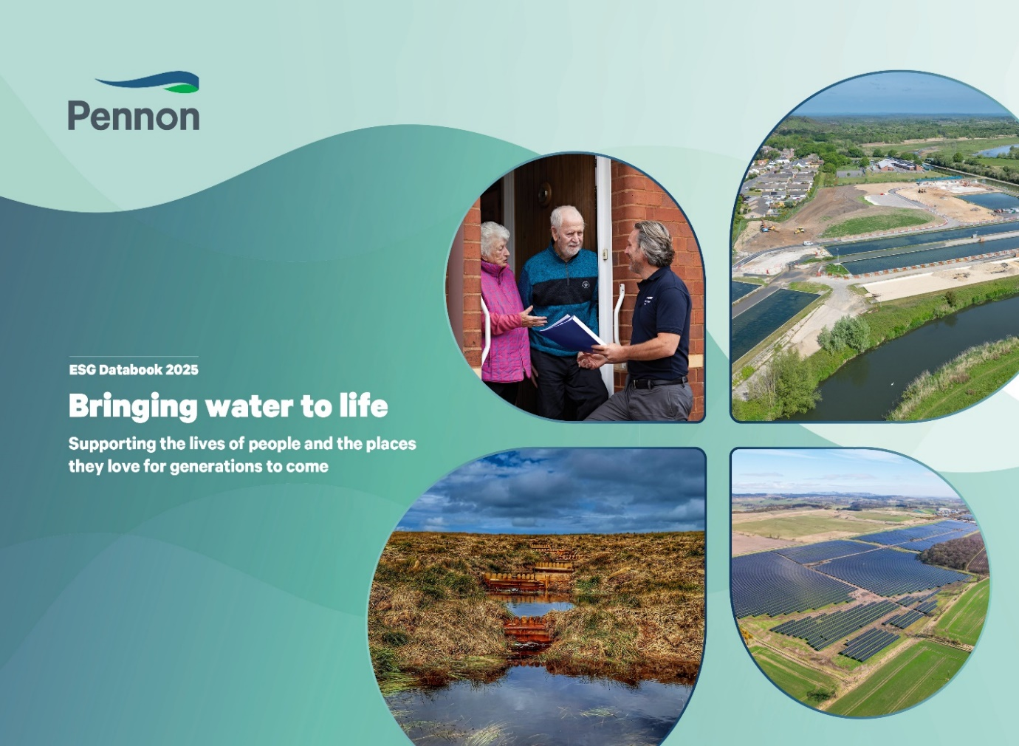

Home
ESG Databook

Pennon is one of the leading businesses in the UK water sector, providing clean water and wastewater services through our businesses across the communities we serve. We believe the role of a responsible business is one of stewardship for sustainable living, supporting communities, customers and the environment to thrive, now and into the future. Our business model is shaped by our purpose, Bringing water to life – supporting the lives of people and the places they love for generations to come which means we are not only seeking to create value for our stakeholders today but to reinvest in our business in a carefully planned and sustainable way for the future. We are passionate about the regions we serve and recognise that the resources we rely on today need protecting for the future. Our approach to ESG ensures everything we do supports our commitment to provide environmental stewardship, and to support our customers and local communities. As a responsible employer, we remain focused on employee development, alongside a robust health, safety and wellbeing programme. Our activities are underpinned by a strong governance framework that uphold our core values within the organisation and throughout our supply chain. As a key topic identified in this year’s Double Materiality Assessment, we continue to evolve our ESG reporting and disclosures with our integrated reporting found throughout our Annual Report and Accounts, alongside our refreshed ESG Databook to drive accessibility and transparency throughout our ESG data. Our Annual Report and Accounts 2024/25 and the other reports in our corporate reporting suite can be found on our website: www.pennon-group.co.uk/investor-information/financial-reports-and-presentations | Our Reporting Suite
 | From 2024/25 onwards, all group-level figures presented in the 'PNN Group' tab include SES Water, unless explicitly stated otherwise. To support clarity and transparency, data relating to specific entities for South West Water (including Bournemouth Water), Bristol Water, and SES Water is reported on separate tabs within the document. The financial year 2024/25 refers to the period from 1st April 2024 to 31st March 2025. All data and disclosures within this ESG Databook are aligned to this reporting period unless otherwise indicated.

 | Feedback
 | To support our commitment to continual improvement in our sustainability reporting, we welcome engagement with stakeholders. If you have any feedback or questions regarding the data, content, or presentation of this document, please contact us by emailing us at: Sustainability@pennon-group.co.uk

 | 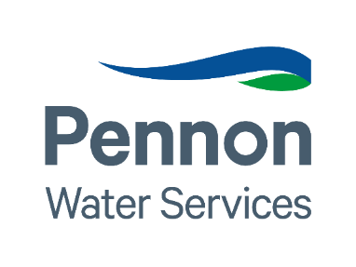 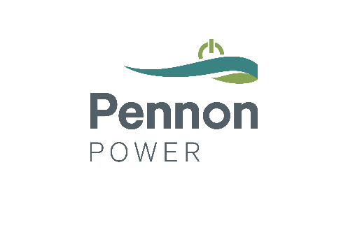

Contents
Home
Contents

Pennon Group plc
South West Water
Bristol Water
SES Water
Assurance
SASB Disclosures
Science Based Targets (SBT's)
External Benchmarks
ISO Certifications

PNN Group
Home

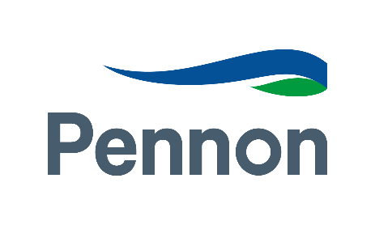
Pennon Group plc Metrics
 | Metric | Units | 2022/23 |  | 2023/24 |  | 2024/25 |  | Additional Information | Assurance 2024/25
 | Environment
 | Greenhouse Gas Emissions
 | Scope 1, 2, 3 Summary |  | Market Based | Location Based | Market Based | Location Based | Market Based | Location Based
 | Direct emissions from burning of fossil fuels | tCO2e | 8,003 | 8,003 | 5,467 | 5,467 | 8,859 | 8,859
 | Process and fugitive emissions | tCO2e | 15,389 | 15,389 | 16,170 | 16,170 | 14,562 | 14,562
 | Transport: Company owned or leased vehicles | tCO2e | 5,381 | 5,381 | 5,100 | 5,100 | 6,382 | 6,382
 | Total Scope 1 GHG emissions | tCO2e | 28,773 | 28,773 | 26,737 | 26,737 | 29,803 | 29,803 | Rise in year-on-year Scope 1 Emissions can be attributed to the inclusion of SES Water in our Group emissions for the first time. | ESG Assurance
 | Scope 2 GHG emissions | tCO2e | 31,321 | 77,217 | 25,662 | 83,575 | 26,975 | 89,432 | Rise in year-on-year Scope 2 location based emissions can be attributed to the inclusion of SES water for the first time. The small rise in market-based emissions is attributed to the increased gCO2e/kWh in Engie's fuel mix disclosure compared to our previous supplier Npower for Bristol Water. SES Water has a 100% REGO Backed Contract so the inclusion of SES water for the first time has no impact on Scope 2 Market-Based emissions. | ESG Assurance
 | Total gross Scope 1 & 2 GHG emissions | tCO2e | 60,094 | 105,990 | 52,399 | 110,312 | 56,778 | 119,235 | Rise in year-on-year Total gross Scope 1 & 2 GHG emissions can be attributed to the inclusion of SES Water in our Group emissions for the first time. | ESG Assurance
 | GHG emissions removals through purchases of Renewable Energy Guarantees of Origin | tCO2e | Included in Scope 2 | Included in scope 2 | Included in Scope 2 | Included in scope 2 | Included in Scope 2 | Included in scope 2
 | GHG emissions saved by exporting self-generated electricity | tCO2e | - | - | - | - | - | -1,837
 | Scope 3 GHG emissions (estimated) | tCO2e | 239,653 | 239,653 | 314,999 | 314,999 | 299,297 | 299,297
 | Total gross Scope 1, 2 & 3 GHG emissions | tCO2e | 299,747 | 345,643 | 367,397 | 425,310 | 356,076 | 418,533
 | Total annual net GHG emissions | tCO2e | 299,747 | 345,643 | 367,397 | 425,310 | 356,076 | 416,696
 | Energy consumption used to calculate Scope 1 and 2 GHG emissions (see Energy usage section) | MWh | 461,783 | 461,783 | 459,736 | 459,736 | 535,621 | 535,621
 | GHG emissions intensity measure: Scope 1+2 (gross Scope 1+2/£100,000 revenue) | gross Scope1+2 / £100,000 revenue | 7.3 | 12.9 | 6.0 | 12.7 | 5.4 | 11.4 |  | ESG Assurance
 | Biogenic GHG emissions outside of Scopes | tCO2e | 3,148 | 3,148 | 3,076 | 3,076 | 2,871 | 2,871
 | Scope 3 Breakdown
 | Category 1 – Purchased goods and services | tCO2e | 82,415 |  | 99,839 |  | 128,617 |  |  | ESG Assurance
 | Category 2 – Capital goods | tCO2e | 106,990 |  | 167,886 |  | 117,675 |  |  | ESG Assurance
 | Category 3 – Fuel- and energy-related (not Scope 1&2) | tCO2e | 33,013 |  | 29,586 |  | 32,590 |  | Scope 3 Category 3 emissions have risen this year due to the inclusion of SES Water for the first time in the Group's reporting. | ESG Assurance
 | Category 4 – Upstream transportation and distribution | tCO2e | 3,480 |  | 3,717 |  | 4,449
 | Category 5 – Waste generated in operations | tCO2e | 1,133 |  | 10,078 |  | 11,501
 | Category 6 – Business travel | tCO2e | 852 |  | 1,154 |  | 1,330 |  | Scope 3 Category 6 emissions have risen this year due to the inclusion of SES Water for the first time in the Group's reporting. | ESG Assurance
 | Category 7 – Employee commuting | tCO2e | 2,885 |  | 2,739 |  | 3,135
 | Category 8 – Upstream leased assets |  | - |  | - |  | - |  | not considered relevant
 | Category 9 – Downstream transportation and distribution |  | - |  | - |  | - |  | not considered relevant
 | Category 10 – Processing of sold products |  | - |  | - |  | - |  | not considered relevant
 | Category 11 – Use of solid products |  | - |  | - |  | - |  | not considered relevant
 | Category 12 – End of life treatment of sold products |  | - |  | - |  | - |  | not considered relevant
 | Category 13 – Downstream Leased Assets |  | - |  | - |  | - |  | not considered relevant
 | Category 14 – Franchises |  | - |  | - |  | - |  | not considered relevant
 | Category 15 – Investments |  | - |  | - |  | - |  | not considered relevant
 | Total estimated Scope 3 GHG emissions | tCO2e | 230,737 |  | 314,999 |  | 299,297
 | GHG Breakdown by Pollutant
 | Scope 1
 | CO2 | tonnes | 13,249 |  | 10,469 |  | 15,122
 | CH4 | tonnes | 5,944 |  | 7,449 |  | 5,965
 | N20 | tonnes | 9,558 |  | 8,793 |  | 8,589
 | HFCs | tonnes | 20 |  | 14 |  | 117 |  | HFCs have increased in 2024/25 due to a singular fault in an air conditioning unit, which has since been fixed
 | Scope 2
 | CO2 | tonnes | 76,350 |  | 82,723 |  | 88,516
 | CH4 | tonnes | 319 |  | 362 |  | 389
 | N20 | tonnes | 547 |  | 492 |  | 527
 | HFCs | tonnes | - |  | - |  | 0
 | Air Pollution
 | SO2 | tonnes | 3.4 |  | 3.6 |  | 2.8
 | NOx | tonnes | 107.5 |  | 89.7 |  | 94.2
 | VOCs | tonnes | 4.3 |  | 4.4 |  | 4
 | PMs | tonnes | 6 |  | 5 |  | 4.2
 | Total | tonnes | 120.8 |  | 102.3 |  | 105.2
 | Climate Risk Assessment |  | South West Water’s latest Climate Change Adaptation Report can be found here: www.southwestwater.co.uk/siteassets/document-repository/environment/climate-changeadaption-2021.pdf and Pennon Group plc’s 2023/24 Task Force on Climate-related Disclosures (TCFD) statement on pages 78-109 of the Annual Report 2022/23 |  | South West Water’s latest Climate Change Adaptation Report can be found here: www.southwestwater.co.uk/siteassets/document-repository/environment/climate-changeadaption-2021.pdf and Pennon Group plc’s 2023/24 Task Force on Climate-related Disclosures (TCFD) statement on pages 78-109 of the Annual Report 2023/24 |  | South West Water’s latest Climate Change Adaptation Report can be found here: www.southwestwater.co.uk/siteassets/documents/environment/climate-change-adaptation-report_2024.pdf and Pennon Group plc’s 2024/25 Task Force on Climate-related Disclosures (TCFD) statement on pages 94-125 of the Annual Report and Accounts 2024/25.
 | Energy
 | Energy Usage
 | Imported Grid Electricity | MWh | 399,301 |  | 404,426 |  | 431,305 |  |  | ESG Assurance
 | Imported private wire electricity (renewable) | MWh | 4,819 |  | 5,804 |  | 6,138 |  |  | ESG Assurance
 | Self-supplied renewable electricity | MWh | 12,079 |  | 10,656 |  | 10,841 |  |  | ESG Assurance
 | Self-supplied heat | MWh | 7,141 |  | 7,068 |  | 6,625 |  |  | ESG Assurance
 | Natural Gas | MWh | 23,471 |  | 25,407 |  | 43,018 |  |  | ESG Assurance
 | Liquid fuels (for stationary applications) | MWh | 14,904 |  | 6,375 |  | 6,739 |  |  | ESG Assurance
 | Energy used by fleet transport | MWh | 24,107 |  | 24,639 |  | 30,955 |  |  | ESG Assurance
 | Total Energy Usage | MWh | 485,823 |  | 484,374 |  | 535,621 |  |  | ESG Assurance
 | Intensity measure MWh/£100k Revenue | MWh | 58.97 |  | 55.53 |  | 51.17
 | Percentage of energy usage self-generated by renewables | % | 6.73 |  | 7.5 |  | 6.44
 | Production (MWh) |  |  |  |  |  |  |  | The following datapoints are N/A for the Group, for the periods stated: Biomass, Nuclear, Coal, Oil, CCGT and Geothermal for capacity and production.
 | Hydro | MWh | 9,625 |  | 13,002 |  | 11,550 |  |  | ESG Assurance
 | Solar | MWh | 3,033 |  | 2,106 |  | 2,334 |  |  | ESG Assurance
 | 3rd Party Solar | MWh | 5,119 |  | 5,998 |  | 5,435 |  |  | ESG Assurance
 | Wind | MWh | 215 |  | 234 |  | 98 |  |  | ESG Assurance
 | 3rd Party Wind | MWh | - |  | - |  | 934 |  |  | ESG Assurance
 | Gas | MWh | 5,951 |  | 8,746 |  | 15,250
 | Other Renewables | MWh | 13,092 |  | 12,959 |  | 12,145 |  |  | ESG Assurance
 | Total Renewable Energy Produced | MWh | 31,084 |  | 34,299 |  | 32,496 |  |  | ESG Assurance
...

SWB
Home
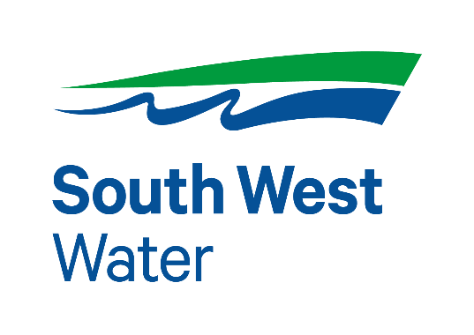

South West Water Metrics
Metric | Units | 2022/23 |  | 2023/24 |  |  | 2024/25 |  | Additional Information | Assurance 2024/25
Environment
Greenhouse Gas Emissions
Operational GHG emissions |  | Market Based | Location Based |  | Market Based | Location Based | Market Based | Location Based
Scope 1 GHG Emissions | tCO2e | 23,317 | 23,317 |  | 20,870 | 20,870 | 19,373 | 19,373 |  | Regulatory Assurance
Scope 2 GHG emissions | tCO2e | 48 | - |  | 72 | - | 503 | - |  | Regulatory Assurance
Total gross Scope 1 & 2 GHG emissions | tCO2e | 23,364 | - |  | 20,942 | - | 19,876 | - |  | Regulatory Assurance
Operational intensity measure - Water | kgCO2e/Ml | 59.72 | - |  | 38.77 | - | 30.68 | - |  | Regulatory Assurance
Operational intensity measure - Wastewater | kgCO2e/Ml | 128.45 | - |  | 111.15
Biodiversity
...

BRL
Home
...
 | 2024/25 |  | Additional Information | Assurance 2024/25
...
Location Based | Market Based | Location Based
5,548 | 8,691 | 8,691 |  | Regulatory Assurance
- | 25,900 | - |  | Regulatory Assurance
- | 34,592 | - |  | Regulatory Assurance
- | 358.82 | - |  | Regulatory Assurance
...

SES
Home

SES Water Metrics
Metric | Units | 2024/25 |  | Additional Information | Assurance 2024/25
Environment
Greenhouse Gas Emissions
Operational GHG emissions |  | Market Based | Location Based
Scope 1 GHG Emissions | tCO2e | 895 | 895 |  | Regulatory Assurance
Scope 2 GHG emissions | tCO2e | 2 | - |  | Regulatory Assurance
Total gross Scope 1 & 2 GHG emissions | tCO2e | 897 | - |  | Regulatory Assurance
Operational intensity measure - Water | kgCO2e/Ml | 32.19 | - |  | Regulatory Assurance
...

Assurance
Home
Assurance
All data presented within the ESG Databook has undergone robust internal verification (first line and management review). Selected data and disclosures within this ESG Databook have been externally assured. The assured data is indicated at the appropriate point within our reporting.
ESG Data Assurance
Pennon’s ESG performance and reporting is now assured by Jacobs, an independent consultancy with expertise in technical assurance for the utility sector. This limited assurance process is completed in accordance with the International Auditing and Assurance Standards Board’s (IAASB) International Standard on Assurance Engagements 3000 (ISAE 3000 (Revised) using a controls-based approach, assessing the processes, systems, and governance frameworks that underpin ESG data to ensure accuracy, consistency, and reliability. The limited assurance statement can be found on our website at www.pennon-group.co.uk/sustainability.
Regulatory Data Assurance
Certain other disclosures within this ESG Databook that relate to the sustainability performance of South West Water and Bristol Water have also been subject to an independent audit of regulatory data conducted by Jacobs, who are engaged to independently audit technical (non-financial) data relating to our Outcome Delivery Incentives published in their Annual Performance Reports (APRs). This includes all regulatory targets, including a suite of environmental performance indicators. This year, Turner and Townsend have conducted an independent audit of other non-financial data, also included in the APR. This includes all South West Water regulatory targets, including the suite of environmental performance indicators. Following the acquisition of SES Water, Mott Macdonald have continued to provide independent assurance over the technical (non-financial) data across information published in the APR, including regulatory targets and performance. Each of these assurance reports can be found in the relevant APR documents below: www.southwestwater.co.uk/about-us/documents/Annual-reports/ www.bristolwater.co.uk/about-us/our-performance www.seswater.co.uk/about-us/publications/our-annual-performance-report
Community Investment Data Assurance
Our Community Investment data has been assured by Business for Community Impact (B4SI). B4SI’s independent assurance statement is available at www.pennon-group.co.uk/sustainability
Other External Data Assurance
Certain additional data points relate to data and assessments reported by third parties e.g. ESG scores from external ESG rating agencies.
Internal Verification
...

Science Based Targets
Home
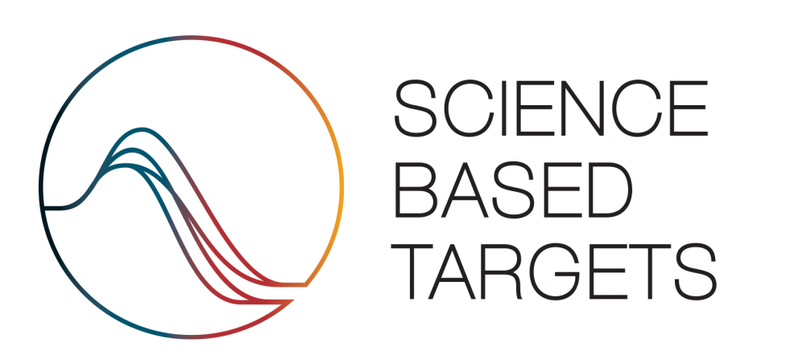

 | Near-term Targets
 | Target | FY 2024/25 progress | Additional Information
 | The Group commits to reduce absolute scope 1 and scope 2 GHG emissions 68% by 2032/33 from a 2021/22 base year. | 51% | Decrease of 51% from baseline
 | The Group commits to reduce absolute Scope 3 GHG emissions from 'well to tank' electricity and fuels, the delivery of electricity, emissions from waste, and business travel and commuting, by 30% over the same timeframe. | -9% | Increase of 9% from baseline
 | The Group commits that 60% of its suppliers by emissions covering purchased goods and services, capital goods and upstream transportation and distribution will have science-based targets by FY2027/28. | 35.23% | 35.23% of suppliers by emissions have set science-based targets
 | The Group commits to increase annual sourcing of renewable electricity to 100% by 2030 | 85% | 85% of electricity sourced across the group is renewable

SASB Disclosures
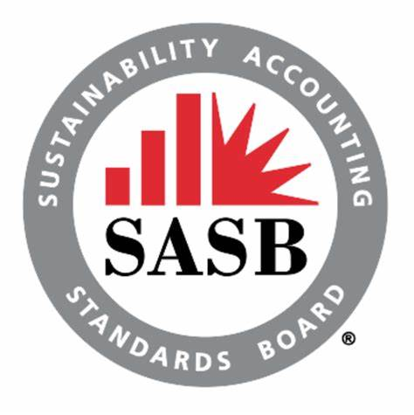
Home

SASB Standards - Water Utilities & Services
The Sustainability Accounting and Standards Board (SASB) voluntary reporting standards are designed to enable the disclosure of company sustainability information in a clear and consistent manner so that it can be used by investors and other stakeholders. The period covered is the financial year 1st April 2024 to 31st March 2025. We have carried out a review against Water Utilities & Services Sustainability Accounting Standard, IF-WU, Version 2023-12.

Topic | Code | Accounting Metric | 2024/25 Disclosure
Energy Management
 | IF-WU-130a.1 | (1) Total energy consumed, (2) percentage grid electricity, (3) percentage renewable | (1) 535,621 MWh (2) 80% (3) 85%
Distribution Network Efficiency
 | IF-WU-140a.1 | Water main replacement rate | Mains Repairs, (Number of repairs per 1,000km) SWB: 127.5 BRL: 121.0 SES: 61.9
 | IF-WU-140a.2 | Volume of non-revenue real water losses | Leakage (3-yr average) (Ml/day) SWB: 112.8 BRL: 38.5 SES: 21.2
Effluent Quality Management
...

ISO Certification
Home
...
Entity |  |  |  | % of group covered
South West Water | Bristol Water | SES Water | Pennon Water Services | Revenue | Customers | Asset Base
✓ | ✓ | ✓ | ✓ | 100 | 100 | 100
✓ |  | ✓ |  | 82 | 66 | 90
✓ | ✓ |  |  | 91 | 77 | 91
✓ | ✓ | ✓ | ✓ | 100 | 100 | 100
✓ |  |  |  | 73 | 51 | 81
✓ |  |  |  | 73 | 51 | 81

External Benchmarks
Home
External benchmarking
Our ESG approach continues to drive positive change, embedding sustainability at the core of our business. This commitment is reflected in our leading performance across key ESG assessments, improving our scores across these key assessments as an industry leader for ESG. This year, we achieved our highest-ever scores in both CDP’s Climate and Water questionnaires, securing A- ratings across both assessments. Our Sustainalytics assessment achieved our highest-ever management score of 84.5, exceeding target (80) and resulting in an improved ESG risk rating of 11.7 (‘low risk’), placing Pennon Group 2nd out of 50 Water Utilities globally and has earned us Sustainalytics’ ‘ESG Top Rated’ industry badge for 2025. Additionally, our GRESB Public Disclosure Assessment score of 93 cements our leadership position, achieving the top score amongst our industry peers. These results reflect our unwavering commitment to sustainability, strong governance, and proactive risk management—demonstrating our leadership in ESG performance across the industry.
Latest external assessment scores (as of 31st March 2025):
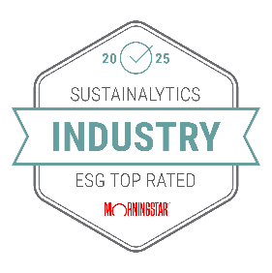
 | 11.7
 | Sustainalytics ESG Risk Rating
 | (Previous rating: 12.0)
 | 84.5
 | Sustainalytics ESG Management Rating
 | (Previous rating: 82.5)
 | AA
 | MSCI ESG Indexes
 | (Previous rating: AA)
 | A-
 | CDP Climate Change
 | (Previous rating: B)
 | A-
 | CDP Water security
 | (Previous rating: B)
 | 46/100
...

